Comments
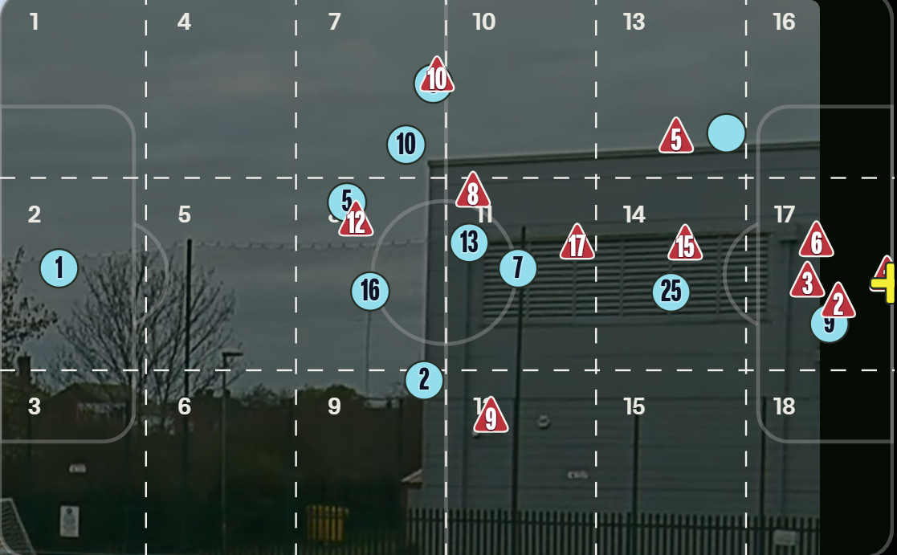
JB - 22/11/25 | I've done the most recent game and the build up to all 3 goals and I've added a few more columns to give a bit more context to each action - I still think there should be more information about each action e.g. type of pass (ground, over the top, cross etc) or in the case like in the third goal where the opponent had the ball for 1 touch, how we can change the parameters to include scenarios like this to record it accurately - I don't think the way i've done it explains it very well | Also actions from set pieces - How do we record root cause from things like free kicks and corners? also actions like dribbles? | Instead of using passing thirds, we use the 18 zones to get a better idea of where the build up happens - I've not added this as i don't know how useful it will be in the long run

